Social Security
$0.00
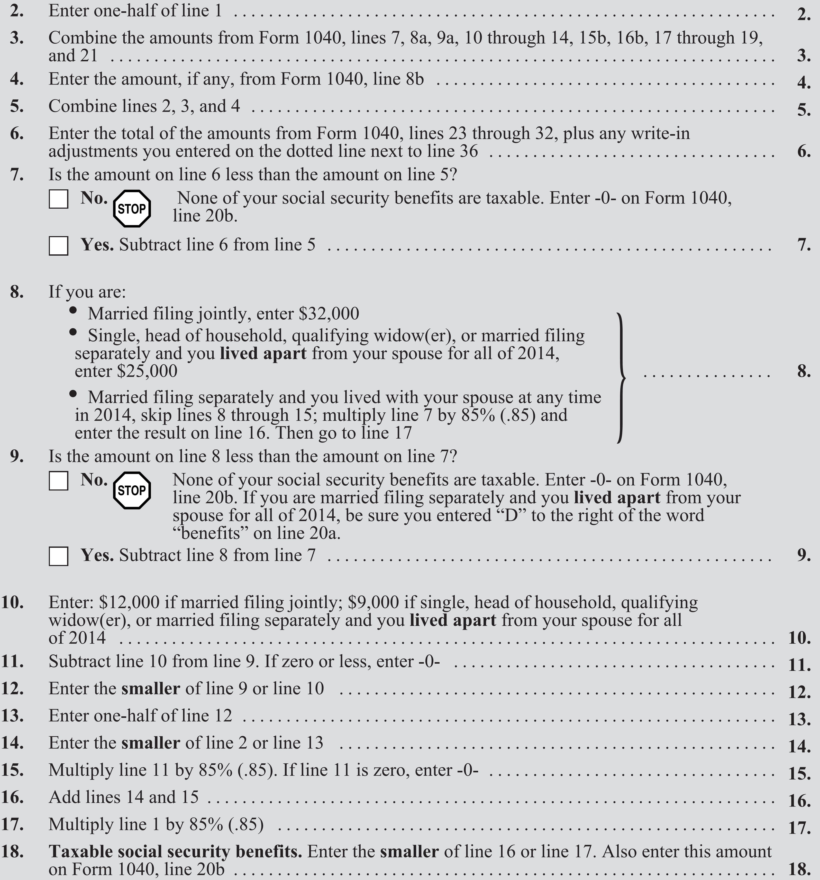
 | $0.00
 | $0.00
 | $0.00
 | $0.00
 | $0.00

 |  | $0.00
 |  | $32,000.00
 | $0.00 | $25,000.00
 | $32,000.00

 |  | ($32,000.00)

 | $0.00
 | $12,000.00 | ($12,000.00)

 | $0.00
 | $0.00
 | $0.00
 | $0.00
 | $0.00
 | $0.00
 | $0.00
 | $0.00

