1 Page College Funding Plan
COLLEGE PRE-APPROVAL™ 1 Page College Funding Plan

PARENT RESOURCES |  |  | TOTALS
529 Savings |  | $25,000 | (A) PARENT RESOURCES | $49,400
Other Assets |  | $10,000 | (B) PARENT LOANS | $0
Monthly Cash Flow | $300 | $14,400 | (C) STUDENT RESOURCES | $14,600
Annual American Opportunity Tax Credit ($2,500 Per Year Max for 4 years) | $0 | $0 | (D) STUDENT LOANS | $27,000
TOTAL PARENT RESOURCES (A) |  | $49,400 | (E) OTHER HELP | $0
PARENT LOANS |  |  | Your 4 Year Pre-Approval Amount | $91,000
PARENT PLUS / PRIVATE LOANS (B) |  | $0
STUDENT RESOURCES |  |  | STUDENT PLANS
Student Savings (UTMA, Savings, etc.) |  | $5,000 | Anticipated Major / Career | Education
Monthly Workstudy / PT Job | $200 | $9,600 | Average Starting Salary = Max Loan | $40,267
TOTAL STUDENT RESOURCES (C) |  | $14,600
STUDENT LOANS |  |  | Average Starting Salary By Discipline*
Student Stafford Loans ($27,000 Max over 4 years) |  | $27,000 | Engineering | $62,891
Private Student Loans |  |  | Computer Science | $62,103
TOTAL STUDENT LOANS (D) |  | $27,000 | Business | $57,229
OTHER HELP |  |  | Communications | $48,253
GRANDPARENT / FAMILY HELP (E) |  | $0 | Math & Sciences | $44,299
 |  |  | Education | $40,267

 |  |  | Humanities & Social Sciences | $38,049
 |  |  | Overall | $48,707

 |  |  | *Nation Association of Colleges and Employers
 |  |  | Class of 2014 salary survey

Asset Protection Reference
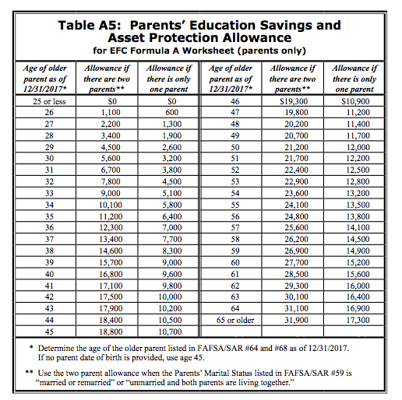

Income Reference
EFC PARENT INCOME CALCULATION

ENHANCED AGI
AGI (Line 37 of 1040) | $125,000
Retirement Plan Contributions + | $18,000
H S A Contributions + | $2,000
Child Support Received + | $0
Other untaxed Income + | $5,000
Enhanced AGI | $150,000

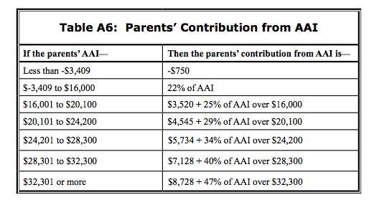
ADJUSTED AVAILABLE INCOME (AAI)
Enhanced AGI | $150,000
Income Protection Allowance - | $27,540
Federal, State, and FICA Taxes - | $29,000
AAI | $93,460
Parents' contribution from AAI | $37,473

